Sheet1
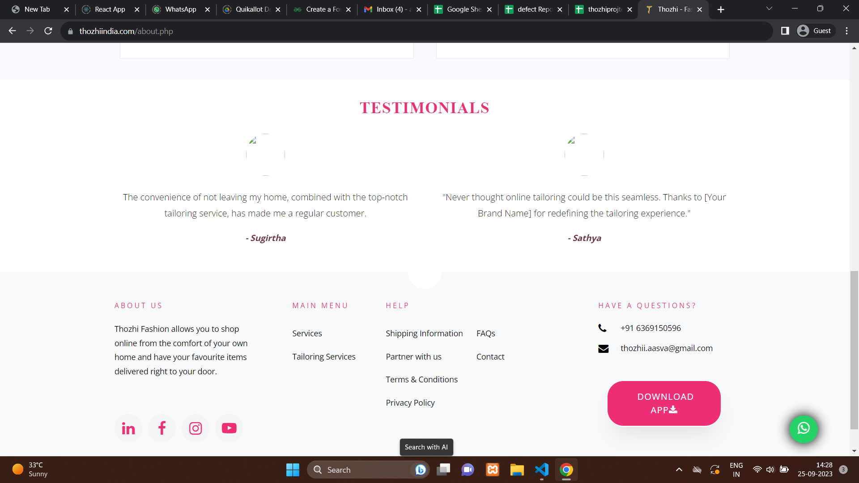
Defect_ID | TestCase_ID | Defect Title | Steps to reproduce | Test Environment | Test Input | Expected result | Actual result | Status | Attachments | Severity | Priority | Date | Tester
D_1 | TC_5 | The About page image is not readable | 1.open the browser 2. copy and paste url 3.enter 4.verify all words are properly readable | Google Chrome | https://thozhiindia.com/index.php | The About page is readable | Not as expected(The About page contain an Image under Testimonials which is not viewable) | new |  | medium | medium | 25-09-2023 | Drisya
D_2 | TC_6 | UI-Spelling mistakes | 1.open the browser 2. copy and paste url 3.enter 4.verify all words are correctly mentioned | Google Chrome | https://thozhiindia.com/index.php | The About page do not contain spelling mistakes | Not as expected(The About page contain spelling mistakes(honored,Testimonials - didn't replace your brand name as Thozhi) | new |  | medium | medium | 25-09-2023 | Drisya
D_3 | TC_9 | UI-Spelling mistakes | 1.open the browser 2. copy and paste url 3.enter 4.verify all words are correctly mentioned | Google Chrome | https://thozhiindia.com/index.php | The Blogs page do not contain spelling mistakes | Not as expected(spelling of emphasize wrongly spelt) | new |  | medium | medium | 25-09-2023 | Drisya
D_4 | TC_26 | Login through Capitalized password | 1.open the browser 2. copy and paste url 3.enter 4.enter password in capital letter | Google Chrome | https://thozhiindia.com/index.php | Not Able to login as a new user | Not as expected(by capitalizing password login successfull) | new |  | medium | High | 25-09-2023 | Drisya
D_5 | TC_28 | checking whether able to login by filling only password field | 1.open the browser 2. copy and paste url 3.enter 4.enter only password and click login | Google Chrome | https://thozhiindia.com/index.php | Not Able to login and should display please fill this field | Not as expected(display as invalid username or password) | new |  | medium | medium | 25-09-2023 | Drisya
D_6 | TC_29 | checking whether able to login using email address | 1.open the browser 2. copy and paste url 3.enter 4.enter email address and click login | Google Chrome | https://thozhiindia.com/index.php | Able to login as a new user | Not as expected(not able to login) | new |  | medium | High | 25-09-2023 | Drisya
D_7 | TC_31 | checking whether able to login using Incorrect email address format | 1.open the browser 2. copy and paste url 3.enter 4.enter email address and click login | Google Chrome | https://thozhiindia.com/index.php | Not Able to login and should display please fill the correct format | Not as expected(displayed message is invalid username and password | new |  | medium | High | 25-09-2023 | 25-09-2023
D_8 | TC_50 | Verify see more link | 1.open the browser 2. copy and paste url 3.enter 4.click on see more link | Google Chrome | https://thozhiindia.com/index.php | Redirect to more details | Not As expected(need more details) | new |  | medium | medium | 25-09-2023 | 25-09-2023

Types of test Performed :
Types : | Status
Unit Testing | failed
Integration Testing | passed
System Testing | passed
Acceptance Testing | failed
Compatibility Testing | passed
Functional Testing | failed
Useability Testing | passed
Non Functional Testing | passed
End to End Testing | passed
Regresstion Testing | failed

